Graphical
Game Line-Up - |  |  |  |  |  |  |  | 0
 | Highlight Inning: | 2
 |  |  |  | Center Field
 |  |  |  | 1 | #N/A
Left Field |  |  |  | 2 | #N/A |  |  | Right Field
1 | #N/A |  |  | 3 | #N/A |  |  | 1 | #N/A
2 | #N/A |  |  | 4 | #N/A |  |  | 2 | #N/A
3 | #N/A |  |  | 5 | #N/A |  |  | 3 | #N/A
4 | #N/A |  |  | 6 | #N/A |  |  | 4 | #N/A
5 | #N/A |  |  |  |  |  |  | 5 | #N/A
6 | #N/A |  |  |  |  |  |  | 6 | #N/A
 |  | Shortstop |  |  |  | 2nd Base
 |  | 1 | #N/A |  |  | 1 | #N/A
 |  | 2 | #N/A |  |  | 2 | #N/A
 |  | 3 | #N/A |  |  | 3 | #N/A
 |  | 4 | #N/A |  |  | 4 | #N/A
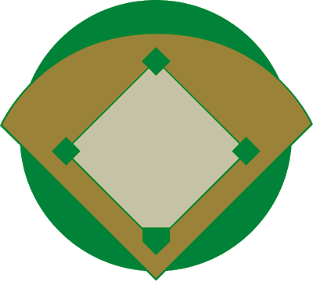
 |  | 5 | #N/A |  |  | 5 | #N/A
 |  | 6 | #N/A |  |  | 6 | #N/A

3rd Base |  |  |  |  |  |  |  | 1st Base
1 | #N/A |  |  |  |  |  |  | 1 | #N/A
2 | #N/A |  |  |  |  |  |  | 2 | #N/A
3 | #N/A |  |  |  |  |  |  | 3 | #N/A
4 | #N/A |  |  |  |  |  |  | 4 | #N/A
5 | #N/A |  |  |  |  |  |  | 5 | #N/A
6 | #N/A |  |  |  |  |  |  | 6 | #N/A

 | Pitcher |  |  |  |  |  |  | Batting Order
 | 1 | #N/A |  |  |  |  | 1
 | 2 | #N/A |  |  |  |  | 2
 | 3 | #N/A |  |  |  |  | 3
 | 4 | #N/A |  |  |  |  | 4
 | 5 | #N/A |  |  |  |  | 5
 | 6 | #N/A |  | Catcher |  |  | 6
 |  |  |  | 1 | #N/A |  | 7
 |  |  |  | 2 | #N/A |  | 8
 |  |  |  | 3 | #N/A |  | 9
 |  |  |  | 4 | #N/A |  | 10
 |  |  |  | 5 | #N/A |  | 11
 |  |  |  | 6 | #N/A |  | 12 | #REF!
 |  |  |  |  |  |  | 13

